Sheet1
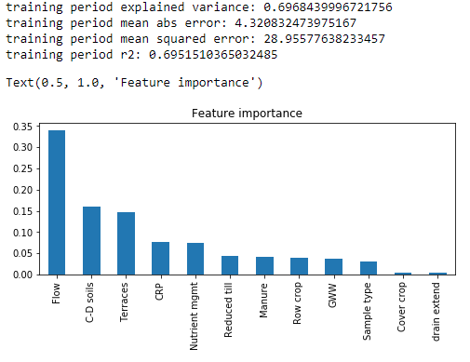
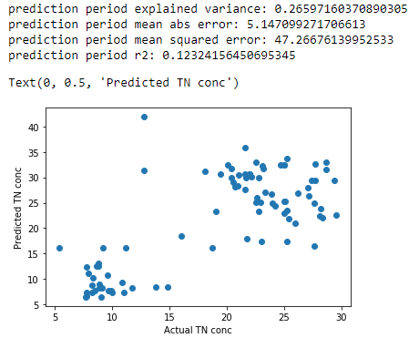
 | Site | Sample date | Sample type | TN (mg N/L) | day of year | TN_conc_pred | Error %
0 | Sub11 | 2018-03-27 | Base | 25.026 | 86 | 25.2309442 | -1%
1 | Sub11 | 2018-04-05 | Base | 25.381 | 95 | 21.8714856 | 14%
2 | Sub11 | 2018-04-11 | Base | 24.999 | 101 | 22.877707 | 8%
3 | Sub11 | 2018-04-23 | Base | 25.068 | 113 | 25.2524292 | -1%
4 | Sub11 | 2018-05-07 | Base | 28.163 | 127 | 23.9086096 | 15%
5 | Sub11 | 2018-05-23 | Base | 27.641 | 143 | 24.9044208 | 10%
6 | Sub11 | 2018-06-06 | Base | 29.571 | 157 | 22.577701 | 24%
7 | Sub11 | 2018-06-20 | Base | 28.367 | 171 | 22.080553 | 22%
8 | Sub11 | 2018-07-02 | Base | 25.018 | 183 | 32.362328 | -29%
9 | Sub11 | 2018-07-02 | Base | 25.018 | 183 | 32.362328 | -29%
10 | Sub11 | 2018-07-11 | Base | 23.99 | 192 | 24.926561 | -4%
11 | Sub11 | 2018-07-18 | Base | 25.285 | 199 | 17.296513 | 32%
12 | Sub11 | 2018-08-28 | Base | 16.057 | 240 | 18.519539 | -15%
13 | Sub11 | 2018-09-11 | Base | 28.127 | 254 | 22.4554302 | 20%
14 | Sub11 | 2018-09-26 | Base | 19.07 | 269 | 23.273025 | -22%
15 | Sub11 | 2018-10-11 | Base | 25.929 | 284 | 20.9626164 | 19%
16 | Sub11 | 2018-10-23 | Base | 25.234 | 296 | 23.5597794 | 7%
17 | Sub11 | 2018-10-30 | Base | 22.982 | 303 | 17.296513 | 25%
18 | Sub11 | 2018-11-14 | Base | 21.731 | 318 | 17.928794 | 17%
19 | Sub11 | 2018-05-07 | Event | 27.662 | 127 | 16.393668 | 41%
Sub 11
20 | Sub11 | 2018-06-13 | Event | 28.686 | 164 | 33.0016 | -15%
21 | Sub11 | 2018-06-22 | Event | 28.686 | 173 | 31.50902 | -10%
22 | Sub11 | 2018-06-27 | Event | 12.79 | 178 | 41.907786 | -228%
23 | Sub11 | 2018-08-28 | Event | 12.79 | 240 | 31.291366 | -145%
24 | Sub11 | 2018-09-11 | Event | 29.406 | 254 | 29.381631 | 0%
25 | Sub11 | 2018-09-11 | Event | 27.401 | 254 | 29.362611 | -7%
26 | Sub11 | 2018-09-26 | Event | 25.21 | 269 | 33.735885 | -34%
27 | Sub11 | 2018-10-11 | Event | 27.724 | 284 | 29.405992 | -6%
28 | Sub11 | 2018-10-11 | Event | 27.724 | 284 | 32.600867 | -18%
29 | Sub12 | 2018-03-27 | Base | 8.6 | 86 | 12.530462857 | -46%
30 | Sub12 | 2018-04-05 | Base | 8.5 | 95 | 7.7626041667 | 9%
31 | Sub12 | 2018-04-11 | Base | 8.2 | 101 | 7.2683633333 | 11%
32 | Sub12 | 2018-04-23 | Base | 10 | 113 | 7.2683633333 | 27%
33 | Sub12 | 2018-05-07 | Base | 8.8 | 127 | 12.494162857 | -42%
34 | Sub12 | 2018-05-23 | Base | 8.3 | 143 | 10.249288571 | -23%
Sub 8
Sub 12
35 | Sub12 | 2018-06-06 | Base | 9.6 | 157 | 10.731760952 | -12%
36 | Sub12 | 2018-06-20 | Base | 11 | 171 | 7.3125 | 34%
37 | Sub12 | 2018-06-27 | Base | 14.8 | 178 | 8.3468 | 44%
38 | Sub12 | 2018-07-02 | Base | 10.9 | 183 | 9.2637 | 15%
39 | Sub12 | 2018-07-18 | Base | 11.7 | 199 | 8.2250235714 | 30%
40 | Sub12 | 2018-08-01 | Base | 9.7 | 213 | 7.7626041667 | 20%
41 | Sub12 | 2018-08-15 | Base | 8.7 | 227 | 12.530462857 | -44%
42 | Sub12 | 2018-08-28 | Base | 9.9 | 240 | 7.7626041667 | 22%
43 | Sub12 | 2018-09-11 | Base | 8.9 | 254 | 8.1927 | 8%
44 | Sub12 | 2018-09-26 | Base | 7.8 | 269 | 7.2739 | 7%
45 | Sub12 | 2018-10-11 | Base | 9.1 | 284 | 8.1927 | 10%
46 | Sub12 | 2018-10-23 | Base | 8.2 | 296 | 8.8256 | -8%
47 | Sub12 | 2018-10-30 | Base | 7.8 | 303 | 12.416902857 | -59%
48 | Sub12 | 2018-11-14 | Base | 7.9 | 318 | 11.047358571 | -40%
49 | Sub12 | 2018-05-04 | Event | 8.9 | 124 | 8.8573 | 0%
50 | Sub12 | 2018-06-11 | Event | 11.2 | 162 | 16.0314 | -43%
51 | Sub12 | 2018-06-19 | Event | 9.2 | 170 | 16.0314 | -74%
52 | Sub12 | 2018-06-21 | Event | 13.8 | 172 | 8.4747 | 39%
53 | Sub12 | 2018-06-23 | Event | 18.7 | 174 | 16.0314 | 14%
54 | Sub12 | 2018-08-20 | Event | 5.4 | 232 | 16.0314 | -197%
55 | Sub12 | 2018-08-29 | Event | 7.7 | 241 | 6.4481 | 16%
56 | Sub12 | 2018-09-19 | Event | 7.8 | 262 | 6.6078 | 15%
57 | Sub12 | 2018-10-01 | Event | 9 | 274 | 6.4481 | 28%
58 | Sub12 | 2018-10-09 | Event | 8.8 | 282 | 13.0794 | -49%
59 | Sub8 | 2018-03-27 | Base | 21.998 | 86 | 30.569973 | -39%
60 | Sub8 | 2018-04-05 | Base | 21.555 | 95 | 30.569973 | -42%
61 | Sub8 | 2018-04-11 | Base | 22.183 | 101 | 30.065356 | -36%
62 | Sub8 | 2018-04-24 | Base | 20.583 | 114 | 28.970942 | -41%
63 | Sub8 | 2018-05-07 | Base | 23.357 | 127 | 27.10572 | -16%
64 | Sub8 | 2018-05-23 | Base | 22.509 | 143 | 25.034236 | -11%
65 | Sub8 | 2018-06-06 | Base | 22.657 | 157 | 25.916687 | -14%
66 | Sub8 | 2018-06-20 | Base | 24.71 | 171 | 32.396449 | -31%
67 | Sub8 | 2018-07-02 | Base | 22.559 | 183 | 32.99215 | -46%
68 | Sub8 | 2018-07-18 | Base | 26.233 | 199 | 26.839222 | -2%
69 | Sub8 | 2018-08-01 | Base | 27.19 | 213 | 26.2807388 | 3%
70 | Sub8 | 2018-08-15 | Base | 24.183 | 227 | 24.3247498 | -1%
71 | Sub8 | 2018-08-29 | Base | 20.11 | 241 | 32.463298623 | -61%
72 | Sub8 | 2018-09-11 | Base | 21.96 | 254 | 30.57773 | -39%
73 | Sub8 | 2018-09-26 | Base | 19.467 | 269 | 30.700108 | -58%
74 | Sub8 | 2018-10-11 | Base | 23.102 | 284 | 32.214005 | -39%
75 | Sub8 | 2018-10-23 | Base | 20.955 | 296 | 28.408111 | -36%
76 | Sub8 | 2018-10-30 | Base | 21.056 | 303 | 30.535733 | -45%
77 | Sub8 | 2018-11-14 | Base | 22.955 | 318 | 25.071522 | -9%
78 | Sub8 | 2018-05-07 | Event | 20.7 | 127 | 28.091001 | -36%
79 | Sub8 | 2018-05-23 | Event | 22.745 | 143 | 23.375968 | -3%
80 | Sub8 | 2018-06-20 | Event | 21.65 | 171 | 29.920642623 | -38%
81 | Sub8 | 2018-07-02 | Event | 23.166 | 183 | 31.732458623 | -37%
82 | Sub8 | 2018-07-02 | Event | 20.414312907 | 183 | 31.675940438 | -55%
83 | Sub8 | 2018-07-18 | Event | 27.066 | 199 | 27.913491 | -3%
84 | Sub8 | 2018-08-29 | Event | 18.091 | 241 | 31.179041623 | -72%
85 | Sub8 | 2018-09-11 | Event | 22.816 | 254 | 29.945641 | -31%
86 | Sub8 | 2018-09-11 | Event | 23.906 | 254 | 26.722817 | -12%
87 | Sub8 | 2018-09-26 | Event | 20.409 | 269 | 29.920642623 | -47%
88 | Sub8 | 2018-10-11 | Event | 21.577 | 284 | 27.67137 | -28%
89 | Sub8 | 2018-10-11 | Event | 21.614 | 284 | 35.843810623 | -66%

